Composite
Combined Scores

 | Urban Area

 |  | Coefficientsa
 |  | Model |  | Unstandardized Coefficients |  | Standardized Coefficients | t | Sig.
 |  |  |  | B | Std. Error | Beta
 |  | 1 | (Constant) | 0.609 | 0.002 |  | 282.736 | 0.000
 |  |  | urbscore Urban wealth score | 0.890 | 0.002 | 0.987 | 413.162 | 0.000
 |  | a. Dependent Variable: comscore Common wealth score

 |  |  | Combined Score= .609 + .890* Urban Score

 | Rural

 |  | Coefficientsa
 |  | Model |  | Unstandardized Coefficients |  | Standardized Coefficients | t | Sig.
 |  |  |  | B | Std. Error | Beta
 |  | 1 | (Constant) | -0.055 | 0.001 |  | -78.988 | 0.000
 |  |  | rurscore Rural wealth score | 0.953 | 0.001 | 0.994 | 1360.999 | 0.000
 |  | a. Dependent Variable: comscore Common wealth score

 |  |  | Combined Score= -.055 + .953 * Rural Score

 | Estate

 |  | Coefficientsa
 |  | Model |  | Unstandardized Coefficients |  | Standardized Coefficients | t | Sig.
 |  |  |  | B | Std. Error | Beta
 |  | 1 | (Constant) | -0.887 | 0.004 |  | -201.525 | 0.000
 |  |  | estscore Estate wealth score | 0.817 | 0.004 | 0.976 | 185.471 | 0.000
 |  | a. Dependent Variable: comscore Common wealth score

 |  |  | Combined Score= -.887+.817 * Estate Score

 | Combined Score

 |  | Statistics
 |  | combscor Combined national wealth score
 |  | N | Valid | 27210
 |  |  | Missing | 0
 |  | Mean |  | 0.1050677
 |  | Std. Error of Mean |  | 0.00572338
 |  | Median |  | 0.1834820
 |  | Mode |  | 1.85857
 |  | Std. Deviation |  | 0.94409795
 |  | Skewness |  | -1.107
 |  | Std. Error of Skewness |  | 0.015
 |  | Kurtosis |  | 2.819
 |  | Std. Error of Kurtosis |  | 0.030
 |  | Minimum |  | -5.09690
 |  | Maximum |  | 2.31325
 |  | Percentiles | 20 | -0.5109817
 |  |  | 40 | -0.0152050
 |  |  | 60 | 0.3752624
 |  |  | 80 | 0.8512780

 | histrogram

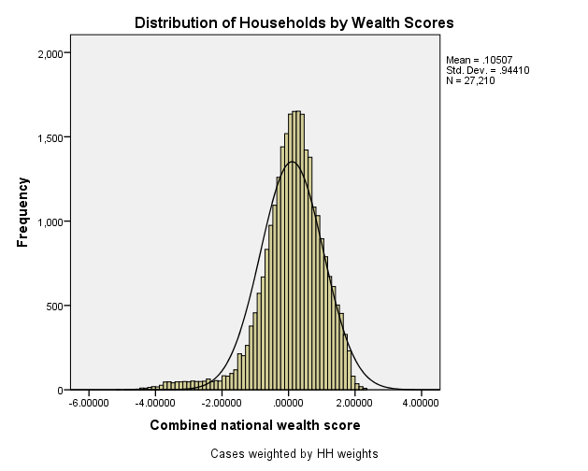

 | Table 2.5 Wealth Quintiles Percent distribution of the de jure population by wealth quintiles, according to residence and region, Sri Lanka DHS 2016
 | Residence/region |  | Ncombsco Combined wealth index |  |  |  |  | total
 |  |  | Lowest | Second | Middle | Fourth | Highest | .00
 | QHTYPE Type of place of residence | Urban | 7.5 | 11.5 | 15.3 | 23.3 | 42.5 | 17229
 |  | Rural | 19.8 | 21.8 | 21.8 | 20.3 | 16.4 | 82876
 |  | Estate | 71.2 | 20.1 | 5.1 | 2.8 | 0.8 | 4493
 | QAREGION Region | Western | 7.9 | 13.4 | 17.2 | 24.1 | 37.3 | 27703
 |  | Central | 26.1 | 19.1 | 18.5 | 17.7 | 18.6 | 13307
 |  | Southern | 15.4 | 20.5 | 21.8 | 23.1 | 19.2 | 13122
 |  | Northern | 54.7 | 21.8 | 10.9 | 8.1 | 4.5 | 5354
 |  | Eastern | 32.7 | 23.2 | 18.1 | 16.6 | 9.4 | 8642
 |  | North-western | 15.9 | 23.9 | 25.6 | 20.4 | 14.2 | 12387
 |  | North-central | 16.2 | 22.1 | 25.2 | 24.4 | 12.0 | 6982
 |  | Uva | 29.8 | 24.3 | 19.4 | 15.8 | 10.6 | 6703
 |  | Sabaragamuwa | 22.7 | 25.8 | 23.5 | 16.3 | 11.7 | 10397
 | total | .00 | 20.0 | 20.0 | 20.0 | 20.0 | 20.0 | 104598

